Sheet1
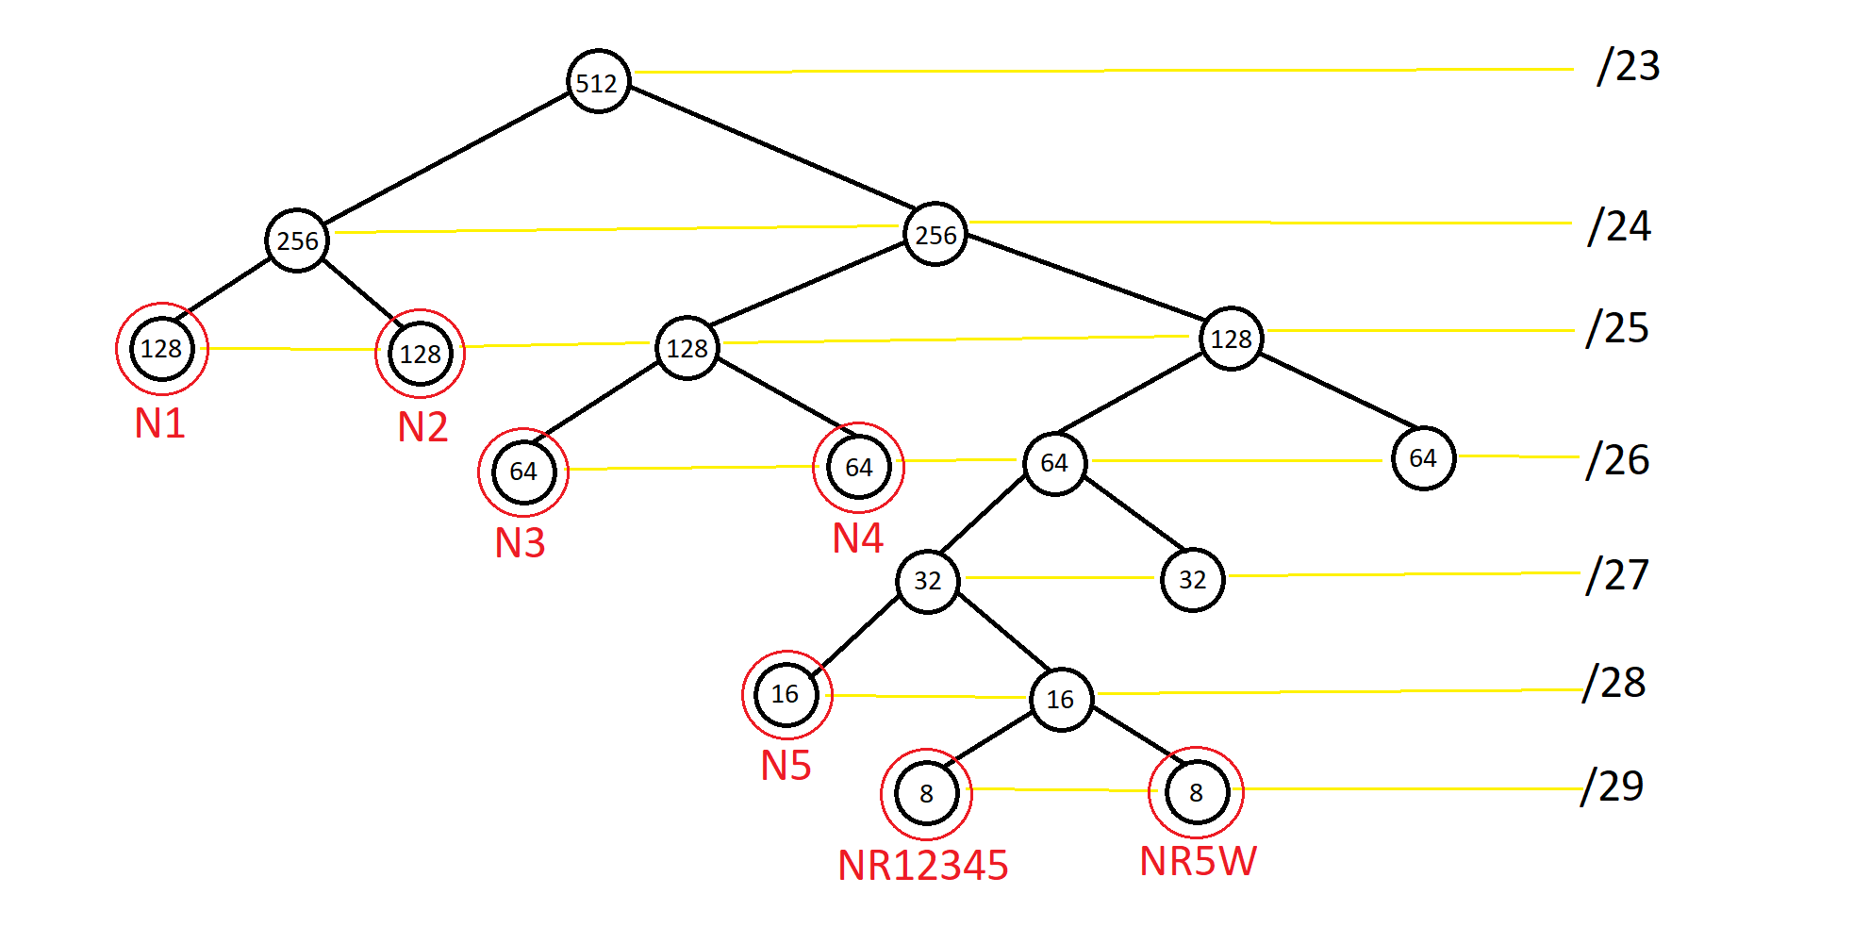
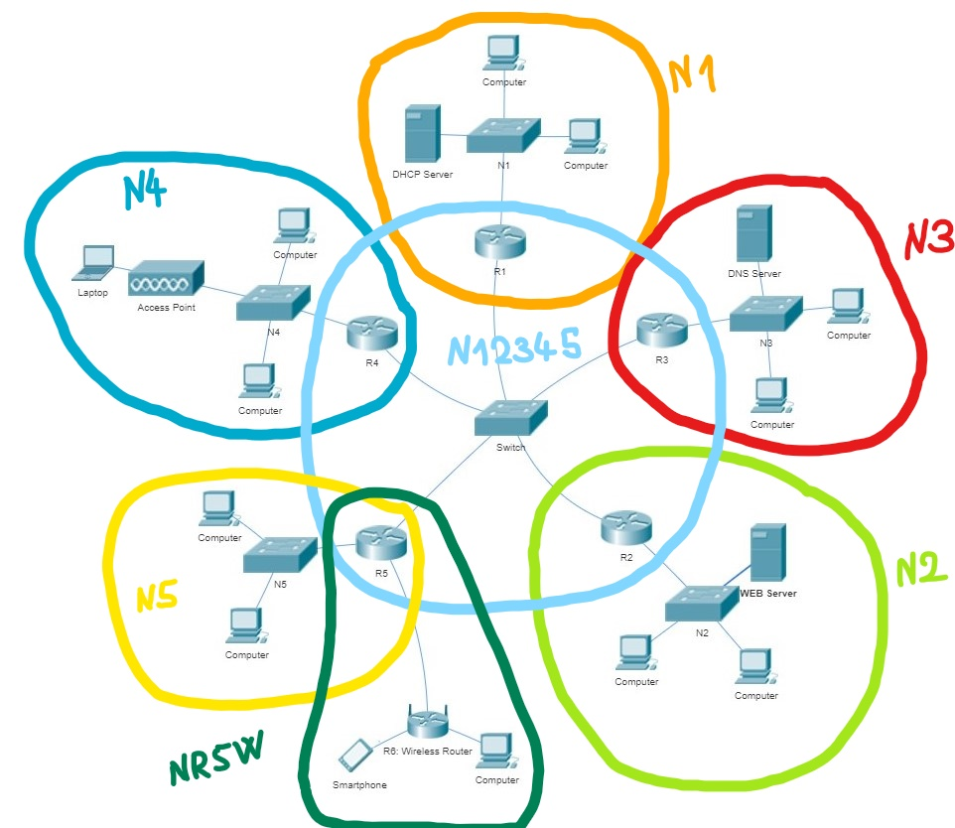
Network IP: | 173.1.40.0
Mask: | 255.255.254.0 (/23) | --> 2^(32-23) = 2^9 IP-uri = 512 IP-uri
Broadcast Address: | 173.1.41.255

Nume Retea | Nr device-uri | Total nr IP-uri | Dimensiune Retea | Netmask | Network Address | Broadcast Address
N1 | 80 | 80 + 1 + 1 + 1 = 83 | 128 = 2^7 | /25 255.255.255.128 | 173.1.40.0 | 173.1.40.127
N2 | 88 | 88 + 1 + 1 + 1 = 91 | 128 = 2^7 | /25 255.255.255.128 | 173.1.40.128 | 173.1.40.255
N3 | 40 | 40 + 1 + 1 + 1 = 43 | 64 = 2^6 | /26 255.255.255.192 | 173.1.41.0 | 173.1.41.63
N4 | 40 | 40 + 1 + 1 + 1 = 43 | 64 = 2^6 | /26 255.255.255.192 | 173.1.41.64 | 173.1.41.127
N5 | 8 | 8 + 1 + 1 + 1 = 11 | 16 = 2^4 | /28 255.255.255.240 | 173.1.41.128 | 173.1.41.143

NR12345 | 4 | 4 + 1 + 1 = 6 | 8 = 2^3 | /29 255.255.255.248 | 173.1.41.144 | 173.1.41.151
NR5W | 3 | 3 + 1 + 1 + 1 = 6 | 8 = 2^3 | /29 255.255.255.248 | 173.1.41.152 | 173.1.41.159

128 + 128 + 64 + 64 + 16 + 8 + 8 = 416 < 512 |  |  | Subretele disponibile ramase:
 |  |  | 1 de 32: 173.1.41.160 /27
 |  |  | 1 de 64 173.1.41.192 /26
IP DNS SERVER: | 173.1.41.2
IP WEB SERVER: | 173.1.40.130
IP DHCP SERVER: | 173.1.40.2

